ICC
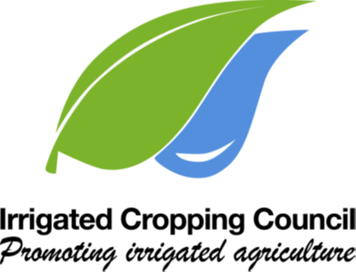

Disclaimer:
This publication has been produced for the benefit of mixed farmers and croppers in northern Victoria and southern NSW. It may be of assistance to you but the editors, the Board of the ICC and its
employees do not guarantee that the publication is without flaw of any kind or is wholly appropriate for your purposes and therefore disclaim all liability for any error, loss or other consequences
which may arise from relying on this publication.

If you have any questions or need another copy, email Damian (damian.jones@irrigatedcroppingcouncil.com.au) or ring (0409 181 099)

